FuselageTop
X Coor | Y Coor | X Center | Y Center
28.315321984 | 17.139995568 | -6.2256577619 | 4.473420362
32.69800148 | 17.117049602 | -1.8429782653 | 4.4504743961
33.317542561 | 19.939403414 | -1.2234371846 | 7.2728282081
31.665433013 | 20.490106596 | -2.8755467331 | 7.8235313909
34.556624722 | 21.683296826 | 0.015644976785 | 9.0167216203
37.4019245 | 20.490106596 | 2.8609447547 | 7.8235313909
35.795706884 | 19.893511482 | 1.2547271381 | 7.2269362762
36.392301999 | 17.094103636 | 1.8513222529 | 4.4275284301
40.797927461 | 17.139995568 | 6.2569477155 | 4.473420362
40.797927461 | 15.441994087 | 6.2569477155 | 2.7754188816
36.66765359 | 10.072638055 | 2.1266738443 | -2.5939371509
36.346410067 | 7.4109060042 | 1.805430321 | -5.2556692013
42.312361214 | 7.6403656637 | 7.7713814683 | -5.0262095418
41.991117691 | 5.8964722515 | 7.450137945 | -6.770102954
35.887490748 | 5.8964722515 | 1.346511002 | -6.770102954
34.556624722 | 3.0052805416 | 0.015644976785 | -9.6612946639
33.225758697 | 5.8964722515 | -1.3152210484 | -6.770102954
26.800888231 | 5.8964722515 | -7.7400915147 | -6.770102954
26.800888231 | 7.6403656637 | -7.7400915147 | -5.0262095418
32.766839378 | 7.4109060042 | -1.7741403674 | -5.2556692013
32.445595855 | 10.072638055 | -2.0953838907 | -2.5939371509
28.361213916 | 15.396102155 | -6.17976583 | 2.7295269497
34.540979746 | 12.666575205

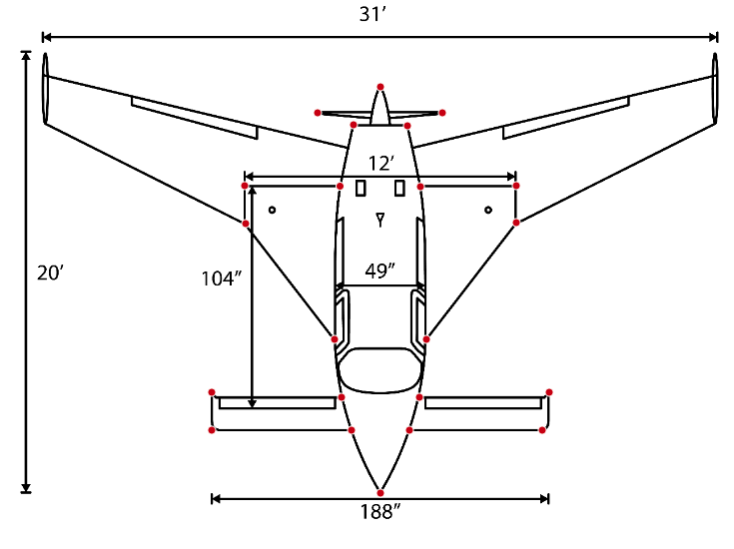
 |  | Min Delta X | 12.48 | ft
 |  | Delta X | 15.51 | ft
 |  | Min Delta Y | 17.48 | ft
 |  | Delta Y | 18.68 | ft

Right Wing
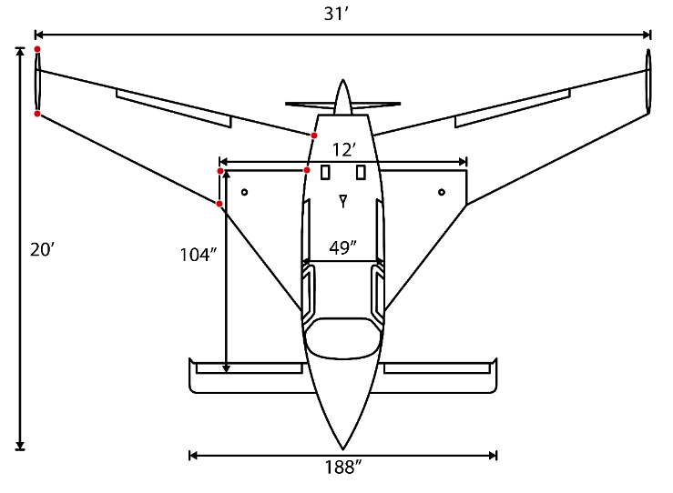
X Coor | Y Coor | X Center | Y Center
19.14 | 23.24 | -7.66 | 4.61
19.14 | 19.99 | -7.66 | 1.35
28.32 | 15.44 | 1.52 | -3.19
28.36 | 17.09 | 1.57 | -1.54
32.72 | 17.14 | 5.93 | -1.49
33.09 | 18.88 | 6.29 | 0.25
26.793239576 | 18.631483354

 |  | Delta X | 13.95 | ft
 |  | Delta Y | 7.80 | ft

Right Conard
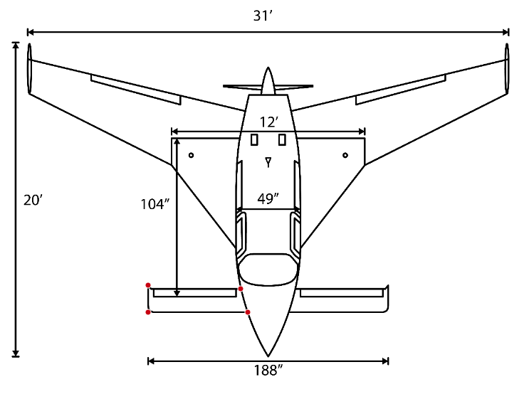
X Coor | Y Coor | X Center | Y Center
32.766839378 | 7.4109060042 | 2.8682457439 | 0.69985196151
26.800888231 | 7.6403656637 | -3.0977054034 | 0.92931162102
26.800888231 | 5.8964722515 | -3.0977054034 | -0.81458179127
33.225758697 | 5.8964722515 | 3.3271650629 | -0.81458179127
29.898593634 | 6.7110540427

 |  | Delta X | 6.42 | ft
 |  | Delta Y | 1.74 | ft

FueselageSide
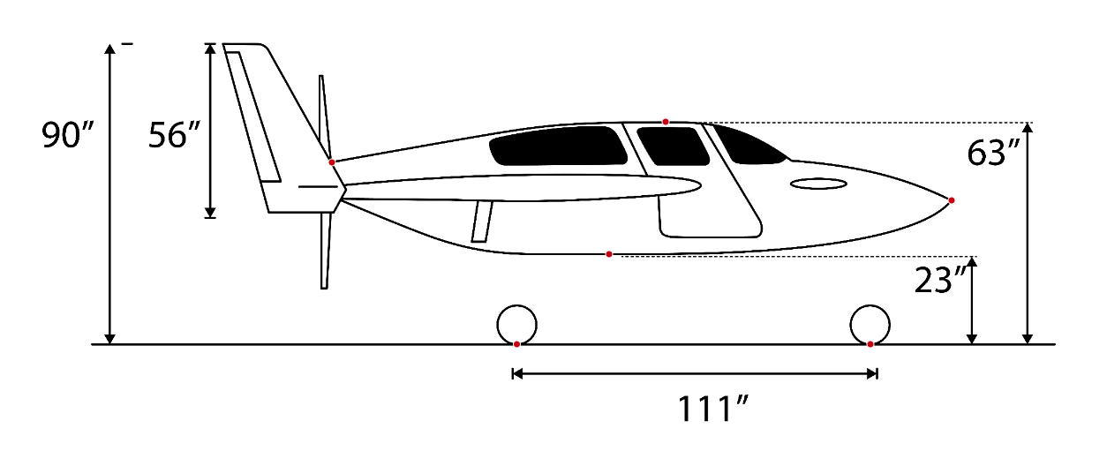
X Coor | Y Coor | X Adj | Y Adj
131.29411765 | 99.39336153 | 0 | 54.529411765
231.35294118 | 111.56983212 | 100.05882353 | 66.705882353
317.11764706 | 88.011008589 | 185.82352941 | 43.147058824
214.41176471 | 71.863949765 | 83.117647059 | 27
292.76470588 | 44.863949765 | 161.47058824 | 0
186.75 | 44.863949765 | 55.455882353 | 0

 | Min Ground to Belly Height | 27 | in

